X-Box Controller
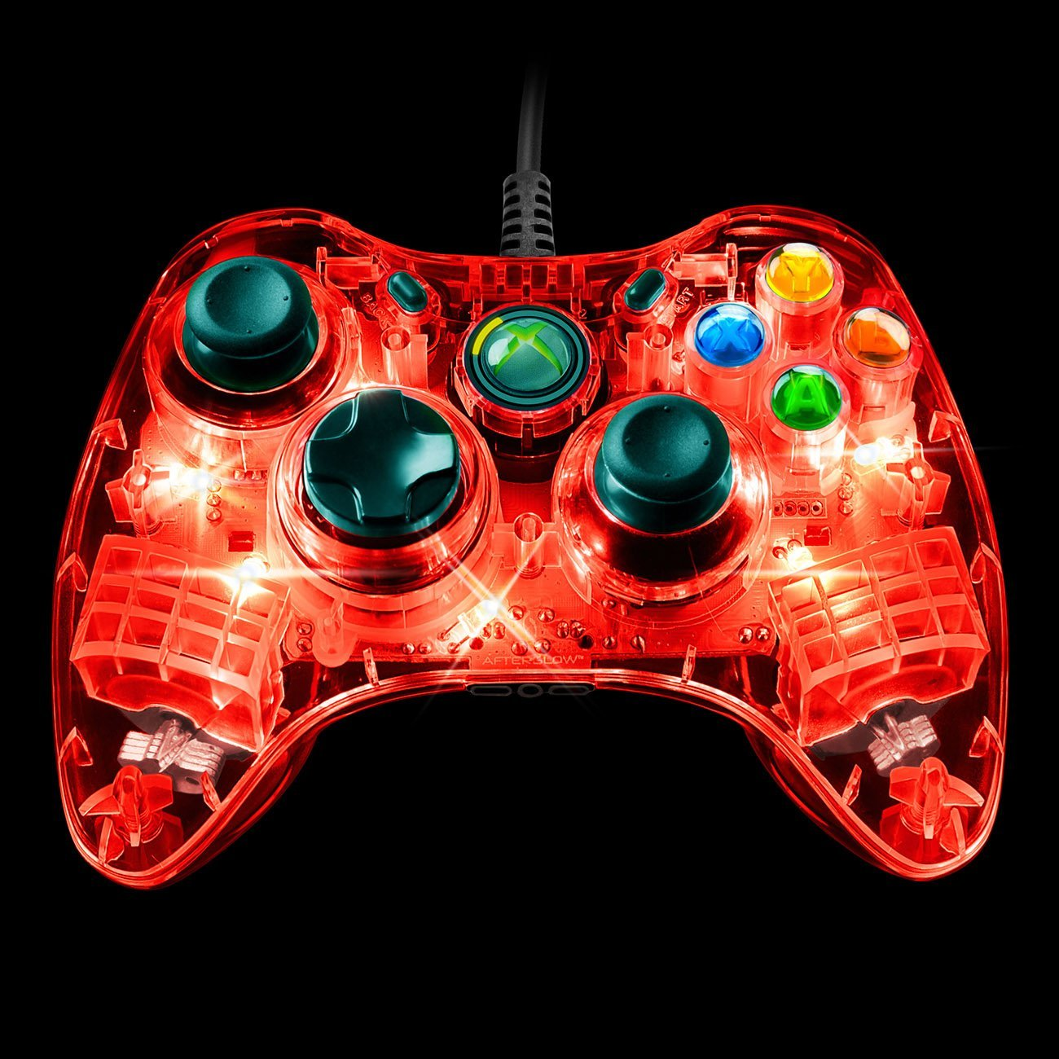
 | X-Box Controller
 | Tank | Arcade
Joysticks
Left Joystick | Tank Drive - Left Side | Arcade Drive
Right Joystick | Tank Drive - Right Side
Triggers
Left Trigger
Right Trigger | Fire Ball Shooter | Fire Ball Shooter
POV
Left
Right
Up | Weave Lift Up | Weave Lift Up
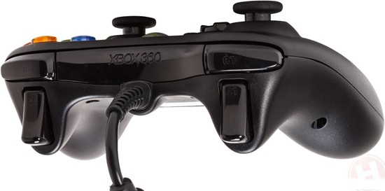
Down | Weave Lift Down | Weave Lift Down
Buttons
Y | Arm Up | Arm Up
A | Arm Down | Arm Down
X | Winch Down | Winch Down
B | Winch Up | Winch Up
Select/Back | Ball Intake | Ball Intake
Start | Ball Aim | Ball Aim
Left Bumper
Right Bumper | Fine Drive Control? | Fine Drive Control?
Left Joystick Button
Right Joystick Button

Joysticks
 | Joysticks
 | Tank |  | Arcade
 | Joystick 1 | Joystick 2 | Joystick 1 | Joystick 2
Axes
Joystick | Tank Drive - Left Side | Tank Drive - Right Side | Arcade Drive
Throttle
Buttons
1 |  | Fire Ball Shooter | Fire Ball Shooter
2 |  | Arm Down | Arm Down
3 |  | Arm Up | Arm Up
4 |  | Winch Down | Winch Down
5 |  | Winch Up | Winch Up
6 |  | Ball Intake | Ball Intake
7 |  | Ball Aim | Ball Aim
8
9
10 |  | Weave Lift Down | Weave Lift Down
11 |  | Weave Lift Up | Weave Lift Up

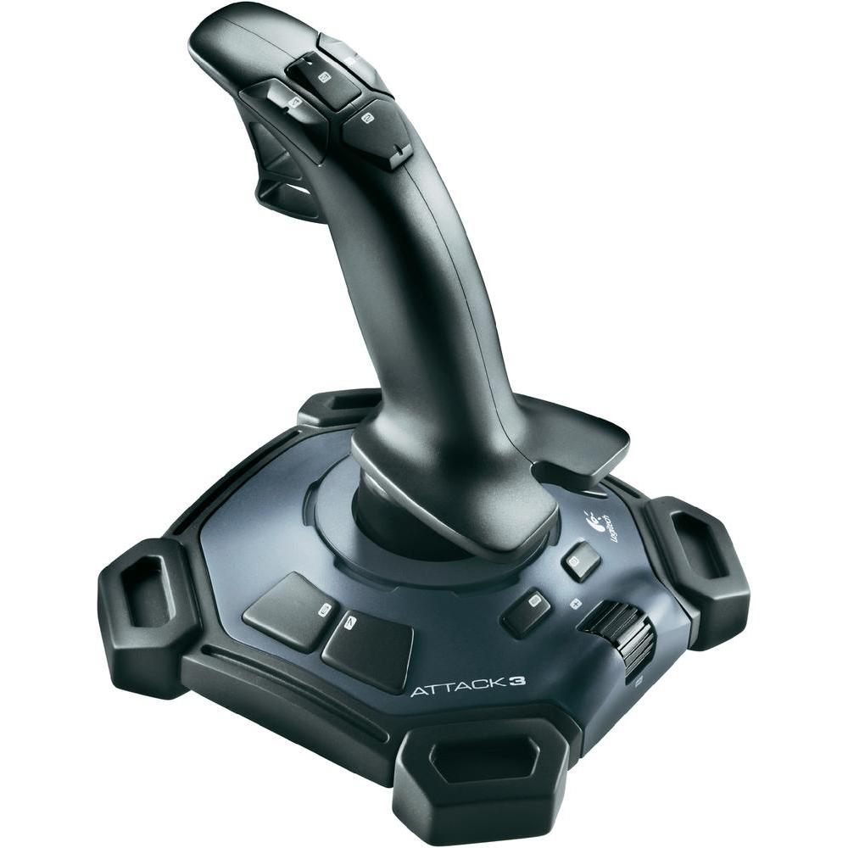
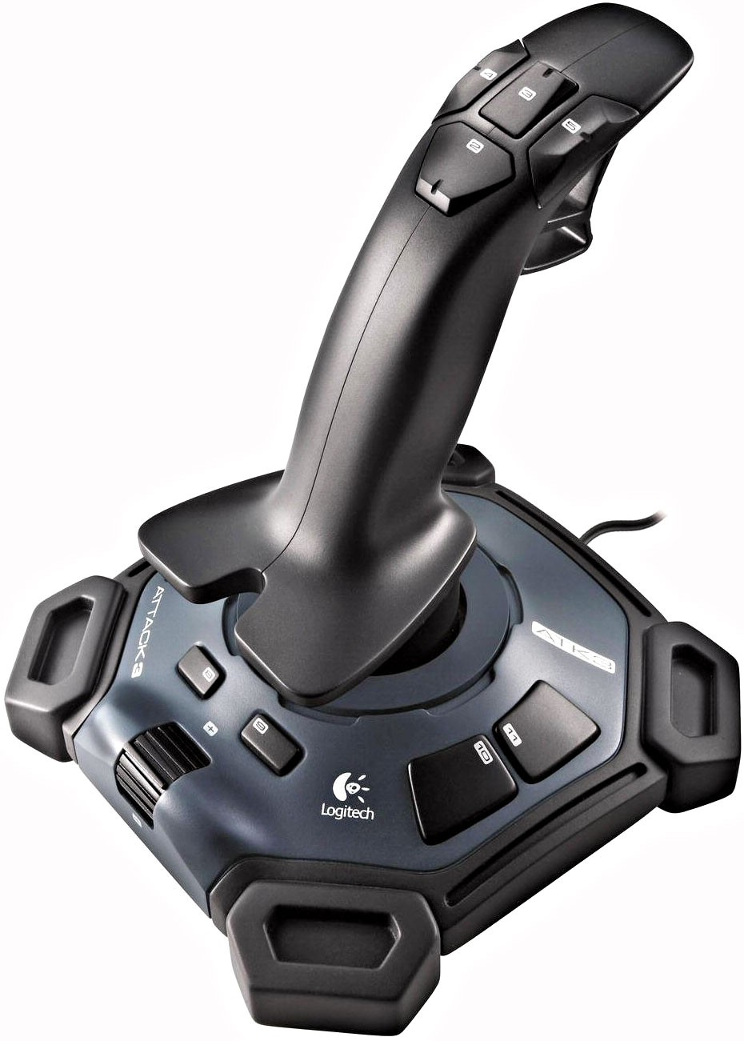

1

